6-8.Ingre&Nutrition&Allergens
6.Product Composition
Ingredients |  | Components |  | % Composition | Supplier Names |  |  | Country of Origin | Genetically modified?
(Including E numbers and *functions for additives) |  | (if ingredient is composed of several sub-ingredients) |  | (Please list the ingredients in descending order) | (Please list all suppliers per ingredient)
Wood Ear Mushrooms |  |  |  | 100.00% | TIANHE AGRICULTURAL GROUP |  |  | China | NO
 |  |  | Total | 100.00%
*Please choose the functional of food additives from below: sweeteners / colours / preservatives / antioxidants / carriers / acids / acidity regulators / anti-caking agents / anti-foaming agents / bulking agents / bulking agents / emulsifiers / emulsifying salts / firming agents / flavor enhancers / foaming agents / gelling agents / glazing agents / humectants / modified starches / packaging gases / propellants / raising agents / sequestrants / stabilisers / thickeners / flour treatment agents / contrast enhancers

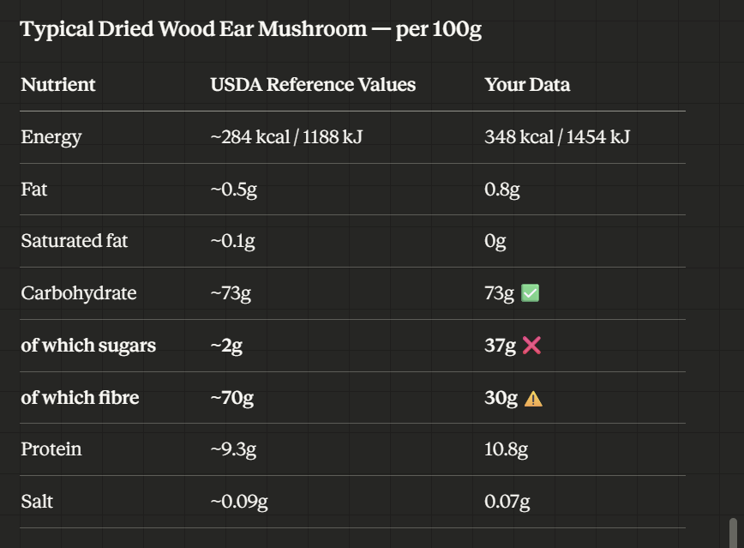
 |  | * Not Mandatory
Are Genetically Modified Organisms handled on manufacturing site? |  |  |  | NO
Is GMO free certificate available for the ingredients at GMO risk? |  |  |  | NO

7.Nutritional Information
Typical Values |  | Per 100g/100ml
Energy (Kcal/KJ) |  | Kcal: 348 KJ:1454
Fat |  | 0.8g
of which saturate fat |  | 0g
of which monounsaturated fat* |  | g
of which, polyunsaturated fat* |  | g
Carbohydrate |  | 73g |  |  |  |  | Fibre (g) | 30 | 16.5 | 17g | Fibre in this Jar
of which sugar |  | 2g |  |  |  |  | mushroom(g) | 100 | 55
of which Polyols* |  | g
of which starch* |  | g
Fibre* |  | 30g
Protein |  | 10.8g |  | source of protein : 10.8*17/1454=12.6% which is above 12%
Salt |  | 0.07g |  | Sodium in mg x 2.5 /1000 = salt in g
NOTE: Must attach lab analyses report |  | 請提供檢測報告
8.The fourteen Allergens – Regulation (EU) No 1169/2011
 | Potential Component |  |  | Product contains? | in which ingredient? | Handled on manufacturing site? | Risk of Cross Contamination
 | *Please tick in the box |  |  | Yes/No |  | Yes/No | Yes/No
01 | Cereals containing gluten including wheat, Rye, Barley, Oats, Spelt & Khorasan and products thereof: |  |  | No | n/a | No | No
02 | Crustaceans and products thereof: |  |  | No | n/a | No | No
03 | Fish and products thereof: |  |  | No | n/a | No | No
04 | Molluscs and products thereof: |  |  | No | n/a | No | No
05 | Peanuts and products thereof: |  |  | No | n/a | No | No
06 | Soybeans and products thereof: |  |  | No | n/a | No | No
07 | Milk and products thereof: |  |  | No | n/a | No | No
08 | Nuts and products thereof: |  |  | No | n/a | No | No
09 | Celery and products thereof: |  |  | No | n/a | No | No
10 | Mustard and products thereof: |  |  | No | n/a | No | No
11 | Sesame seeds and products thereof: |  |  | No | n/a | No | No
12 | Sulphur Dioxide or Sulphites: |  |  | No | n/a | No | No
13 | Lupin and products thereof: |  |  | No | n/a | No | No
14 | Egg and products thereof: |  |  | No | n/a | No | No

9-13.Quality Attributes (2)
9.Pesticide residues & Heavy Metal Standard
Test Item |  | EU MRL standard | Country of Origin MRL Standard | Test Frequency | 14/07/2025 Lab
Pesticide |  | Comply to REGULATION (EC) No 396/2005 MRL | GB2763 MRL/GB7096-2014 National Food Safety Standard - Edible Fungi and Their Products | Every Batch | Result /Dry weight
Lead (Pb) |  | ≤0.30 mg/kg (wet weight) | ≤1.0 (mg/kg) | Every Batch | ND
Cadmium(Cd) |  | ≤0.15 mg/kg (wet weight) | ≤0.5 (mg/kg) (wet weight) | Every Batch | 0.626mg/kg
Mercury |  | 0.05mg/kg (wet weight) | ≤0.1 (mg/kg) | Every Batch | 0.003mg
Inorganic Arsenic |  | N/A | ≤0.5 (mg/kg),as inorganic arsenic | Every Batch | 0.252mg
Moisture |  | N/A | ≤13% | Every Batch | 10.20%
Sulpher Dioxide |  | 100mg/kg | 50mg/kg | Every Batch | 10mg/kg
Pesticide and heavy metal EU&GB MRL refer to wet product weight
10.Acrylamide
Are Products at risk of acrylamide? |  |  |  |  | No
If Yes. What mitigation measures are in place to manage acrylamide levels with the food? |  |  |  |  | N/A
11.Radioactivity | *occurs naturally in all food and can be transferred into food in different ways eg crops from soil, drinking water from the earth, Fish and Shellfish from the water or Sea floor.
Has the product/ingredient been irradiated? |  |  |  |  | No
Is the product/ingredient subject to potential radioactive cross contamination? |  | Yes/No | Yes/No | Yes/No | No
If yes, what controls in place |  |  |  |  | N/A
Has the product/ingredient been imported into the UK from a country that has high levels of radioactivity? |  | Yes/No | Yes/No | Yes/No | No
If Yes, how is this controlled and what checks are carried out? |  |  |  |  | N/A
12.Microbiology Standards | *Please insert GB standard
Micro-organisms | Type | EU satisfactory in ready to eat | Contry of Origin Standard | Manufacturer Standard | Test Frequency
TVC | Quality Indicator | <104 | N/A | N/A | N/A
Escherichia coli | Hygiene indicator | <20 | N/A | N/A | N/A
Enterobacteriaceae | Hygiene indicator | <100 | N/A | N/A | N/A
Listeria spp | Hygiene indicator | Not Detected | N/A | N/A | N/A
Listeria monocytogenes | Pathogens | Not Detected | N/A | N/A | N/A
Campylobacter spp. | Pathogens | Not Detected | N/A | N/A | N/A
Escherichia coli O157 | Pathogens | Not Detected | N/A | N/A | N/A
Salmonella spp. | Pathogens | Not Detected | N/A | N/A | N/A
Shigella spp. | Pathogens | Not Detected | N/A | N/A | N/A
Vibrio cholera (O1 and O139) | Pathogens | Not Detected | N/A | N/A | N/A
Vibrio parahaemolyticus | Pathogens | <20 | N/A | N/A | N/A
Bacillus cereus | Pathogens | <103 | N/A | N/A | N/A
Bacillus spp. | Pathogens | <103 | N/A | N/A | N/A
Clostridium perfringens | Pathogens | <10 | N/A | N/A | N/A
Staphylococcus aureus and other coagulase-positive staphylococci | Pathogens | <20 | N/A | N/A | N/A
13.Acceptance and Rejection standard
Standard Product Photo & Description |  | Rejected Product Photo& Description
IE. Grading, Sizing, Appearance, Flavor/taste, Texture, Colour, smell |  | IE. Grading, Sizing, Appearance, Flavor/taste, Texture, Colour, smell
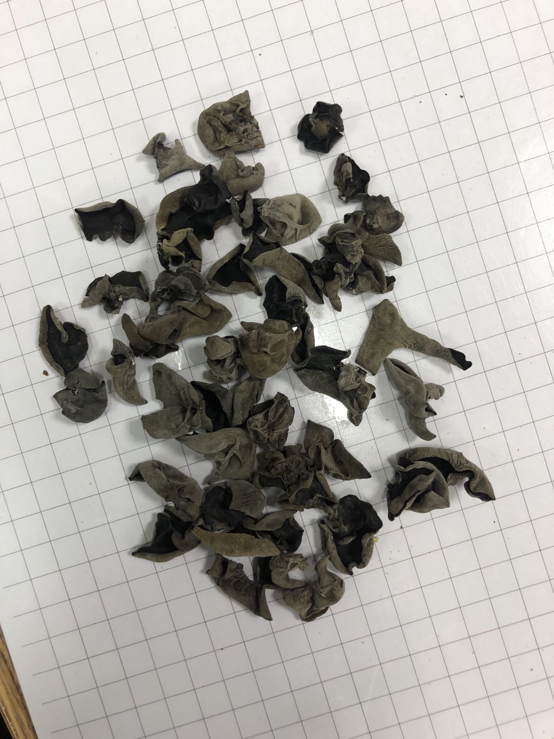 |  | 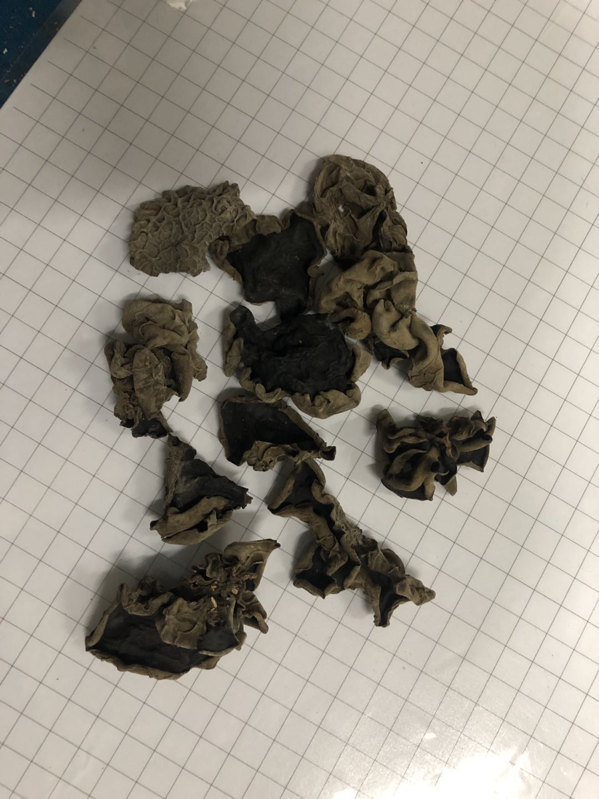
Uniform shape and size, generally 1.5-2.5CM The external side is gray or brown, with bright colours The internal side is black The internal side is black Thicker, no yellow flakes Dryness is within 12% |  | The size is larger than 3 cm The thickness is not enough, the surface ribs can be clearly seen The fungus is dirty, obviously soiled, and the color is not bright Yellow flakes Dryness is higher than 12%, easy to mold

14-16.Quantity&packaging in (2
14.Quantity Attributes
 | Unit (g) | Case (kg)
Unit Drained Weight (If Product contains liquid) | N/A | N/A
Net Weight | 55 | 0.66
Gross Weight | 82 | 1.484
Is the product packed in a Protective atmosphere? (if yes, indicate the composition on gases used if applicable) |  |  | No
Is the product vacuum packed? |  |  | No
Primary Package Plastic Material Comply with Commission Regulation (EU) No 10/2011 |  |  | Yes
15.Packaging Weight Dimensions
 | Description/Color | Materials *please indicate the plastic material from below 01-07 | Weight (g) | Dimensions (mm)

Primary： | Plastic Bottle with aluminum lid | PETE | 27 | D 70
 |  |  |  | H 120

Secondary: | Carton box | Carton | 500 | Length 290
 |  |  |  | Width 220
 |  |  |  | Height 130

16.Pallet Configuration
 | EU Pallet Configuration (0.8m x 1.2m) |  | UK Pallet Configuration (1.0m x 1.2m)
Cases per layer | 14 |  | 17
Number of layers | 13 |  | 13
CTNs/Pallet | 182 |  | 221
Pallet Height(M) | 1.69 |  | 1.69
Pallet Height incl pallet (M) | 1.835 |  | 1.835
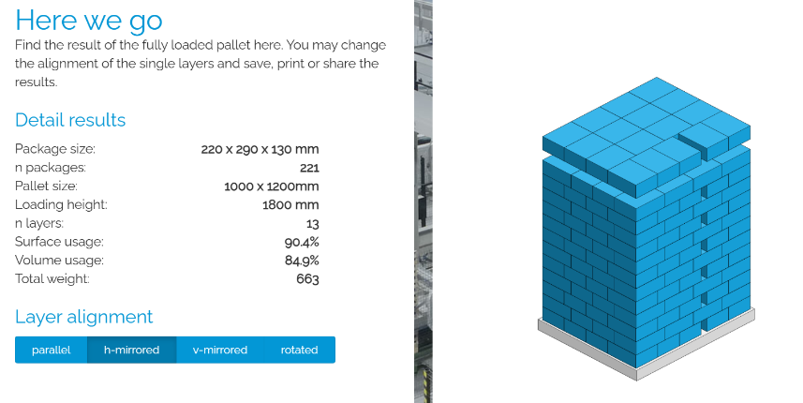
Pallet Weight(kg) | 270.088 |  | 327.964
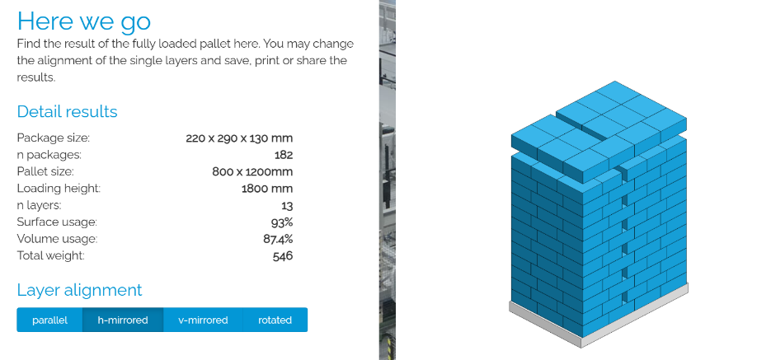 Pallet Top-View
 | *pallet height must lower than 1.85m

